Test Tracker
 | Mobile Android Test Plan |  |  |  |  |  | Key
 |  |  |  |  |  |  | Pass | Passed steps of Test Case
 | Before testing each application for the first time, please update the application version to the newest (dev) version by completing the following steps: |  |  |  |  |  | Fail | Failed steps of Test Case
 | 1. Navigate to qateam domain and select the application you will be using for testing 2. Click, "General Settings" and under "CommCare Version" click the drop down menu and select the newest application version (i.e., ' CommCare x.xx.x (dev)') 3. Select "Save" and navigate to "Deploy" 4. Select "Make a New Version" and when the application build completes, star your new version 5. Links and additional details on update can be found in the table below 6. Different CommCare Versions can be accessed here |  |  |  |  |  | N/A | Not applicable to your testing
Login Credentials Username/Password test1/123 test2/123 |  |  |  |  |  |  | Blocking | Failed and is a critical feature or cannot proceed with testing
 |  |  |  |  |  |  | Unanswered | Unanswered/ blank test cases
Name of Tester | Start Date |  |  | End Date

Tab | Execution Status | Core Workflows | Duration | Mobile Device/ APK version | Comments | Case Results (if none, displays as 0) |  |  | Total | Ticket Summaries (if none, displays as #N/A)
Browserstack |  | Core |  |  | Pick any one!
 |  | Core
 |  | Core
 |  | Core
 |  | Core
 |  | Non-Core
 |  | Non-Core
 |  | Non-Core
 |  | Core
 |  | Core
 |  | Non-Core
 |  | Non-Core
 |  | Non-Core
 |  | Core
 |  | Core
 |  | Core
 |  | Core
 |  | Core
 |  | Core
 |  | Core
 |  | Core
 |  | Core
 |  | Core
 |  | Core
 |  | Core
 |  | Core
 |  | Non-Core |  | Dimagi Internal
 |  | Core |  | Dimagi Internal
 |  | Core
 |  | Non-Core
 |  | Non-Core
 |  | Non-Core
 |  | Non-Core
 |  | Non-Core
 |  | Non-Core
 |  | Non-Core
 |  | Core
Update these per execution of the plan
Apps | Special Instructions
Basic Tests
Update Test Alternative
Multimedia
NFC Test App
Session Expiration Test
Conditional Enum Case List
Performance
Date Widgets
Other
Right to Left Tests
Recovery Measures | Various. Refer to linked sheet.
Case Managements
Updates Partial/Failed | Various. Refer to linked sheet.
Rate Limits
Mapbox
Database Change
Targeted Updates
Root menu as Home screen
Advanced Settings
Lazy Videos
Disable Filesize Warning
External App Fixture Tests
Large App
Graphing

Right to Left Text
Test Area: | Right to Left Tests
Summary: | Test CommCare's ability to display languages running right to left
Domain: | https://www.commcarehq.org/a/qateam/dashboard/project/
Application:
Note: | This series of tests will address how CommCare renders and displays RtL text. This is not to verify the Arabic translations of this app. Some words may be translated poorly or still appear in English. This is acceptable. Rather, we're looking to ensure the app behaves in a specific way.

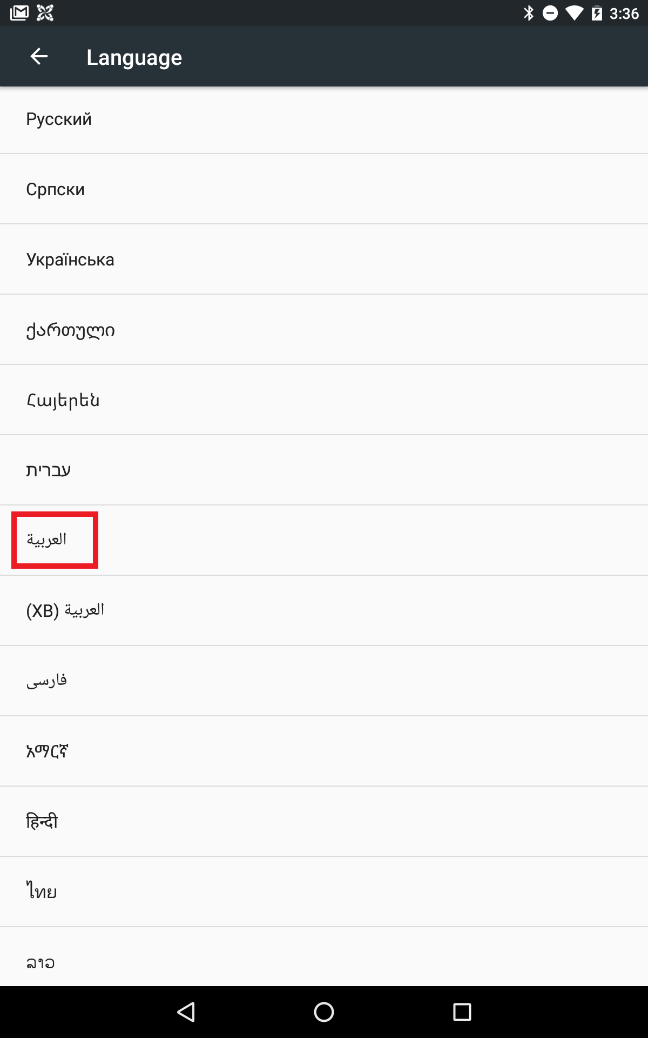
Test Case ID | Summary | Steps | Pass/Fail | Notes | Ticket ID | Maestro Automatability | Automated? | Flow File
Setup 1 | Download App |  |  |  |  | Partial | Yes | (handled by hq_setup/right_to_left_text/setup_01_publish_rtl_app.json - no dedicated flow needed beyond Setup 4-style manual barcode-claim)
Setup 2 | Change Device language | 1. Access your device's settings (likely a gear icon) 2. Select Language & input (likely a globe icon) 3. Choose Language (likely the first option) 4. Select Arabic (note, Arabic is likely in Arabic. Reference the screenshot to the right) |  |  |  | Partial | Yes | flows/right_to_left_text/setup_02_change_device_language_to_arabic.yaml
Setup 3 |  | 1. Return to the home screen and launch CommCare 2. Verify CommCare opens successfully 3. Select options within CommCare and change the app's language to Arabic |  |  |  | Automatable | Yes | flows/right_to_left_text/setup_03_change_language_to_arabic.yaml
Login Screen
Login 1 | Header | 1. Verify the name of the app is on the right 2. Verify the options button 'three dots' is on the right corner of app |  | Login header: app-name position and the overflow-button position are both claims about the toolbar - No stable Maestro selector exists for the control in question, confirmed via commcare-android source: the toolbar's overflow ('More options') button and the app-name title are rendered by the platform AppCompat/Toolbar with no custom resource id or app-owned string (the title falls back to a per-flavor build value). |  | Not automatable | N/A
Login 2 | Body | 1. Note the app list dropdown, the shaded triangle should be in the bottom left 2. Click the app list dropdown, ensure apps are right aligned 2. Verify username field is right aligned, that the text begins on the right 3. Verify the password field is right aligned |  | App-list dropdown/username/password 'right aligned' and dropdown-arrow position: The claim is text alignment/gravity WITHIN a single widget (e.g. a TextView's own text starting from its right edge) - Maestro's position selectors (leftOf/rightOf/above/below) only compare the bounding boxes of two DISTINCT elements, not a property of one element's internal rendering. There is no Maestro primitive for intra-widget text alignment, so this can't be asserted regardless of effort. The app spinner itself is `visibility=gone` for a single-app install, so its own dropdown-arrow claim is moot for this test app regardless. |  | Not automatable | N/A
Login 3 | Login | 1. Select username field 2. Type username test1 3. Verify text populates the field from right to left 4. Select password field 5. Type 123 and verify the text (hidden) populates from right to left 6. Log in (test1/123) |  | Text populating 'right to left' as you type is a rendering-over-time property, not a discrete state Maestro can sample. Confirmed live 2026-08-10: this app has real Arabic translations for common strings ('Start', 'Log out of CommCare', menu items), so English text selectors stop matching once the in-app language is switched to Arabic - a build attempt using English fallback selectors failed almost everywhere in CI for this reason. |  | Not automatable | N/A
Home Screen
Home Screen 1 | Options Header | 1. Verify the name of the app is on the right 2. Verify the options button is on the left |  | Home header: same toolbar/overflow-button claim as Login 1 - No stable Maestro selector exists for the control in question, confirmed via commcare-android source: the toolbar's overflow ('More options') button and the app-name title are rendered by the platform AppCompat/Toolbar with no custom resource id or app-owned string (the title falls back to a per-flavor build value). |  | Not automatable | N/A
Home Screen 2 | Items within options | 1. Select the options button (three vertical dots) 2. Ensure the options within it are right aligned |  | Options-menu item text alignment: The claim is text alignment/gravity WITHIN a single widget (e.g. a TextView's own text starting from its right edge) - Maestro's position selectors (leftOf/rightOf/above/below) only compare the bounding boxes of two DISTINCT elements, not a property of one element's internal rendering. There is no Maestro primitive for intra-widget text alignment, so this can't be asserted regardless of effort. Item PRESENCE/order is checkable via real menu_app_home.xml ids, but that's a materially weaker check than the sheet's own alignment claim. |  | Not automatable | N/A
Home Screen 3 | Update page | 1. Remain in the options button or access it again 2. Select the first item in the list (this is update CommCare) 3. Verify the progress bar loads right to left |  | Progress-bar fill direction during 'Update App': The claim is an animation/rendering DIRECTION (progress bar fill direction, spinner rotation direction) sampled over time - Maestro has no angular-rotation or fill-direction assertion primitive at all, independent of whether the element has a stable id. |  | Not automatable | N/A
Home Screen 4 | Offline install | 1. Remain in the options button or access it again 2. Select the first item in the list (this is update CommCare) 3. Select the options button again and choose the only option (offline install) 4. Verify the offline install text input field runs from right to left (input any characters to review) |  | 'Offline install' text-input direction: the sheet's own wording doesn't match this app's real menu (there is no 'offline install' submenu in StandardHomeActivity - confirmed via source). The nearest real equivalent is UpdateActivity's own 'Offline Update' menu item (menu.update.from.ccz), which does have a real text field (screen_multimedia_inflater_location) - but RTL text-entry DIRECTION into it is the same non-automatable rendering-over-time property as Login 3. |  | Not automatable | N/A
Home Screen 5 | Settings | 1. From the home screen, select the Options button 2. Select the last option (Settings) 3. Ensure all the settings are right aligned |  | Settings screen alignment: The claim is text alignment/gravity WITHIN a single widget (e.g. a TextView's own text starting from its right edge) - Maestro's position selectors (leftOf/rightOf/above/below) only compare the bounding boxes of two DISTINCT elements, not a property of one element's internal rendering. There is no Maestro primitive for intra-widget text alignment, so this can't be asserted regardless of effort. |  | Not automatable | N/A
Home Screen 6 | Multi-choice buttons in settings | 1. From the home screen, select the Options button 2. Select the last option (Settings) 3. Select the first item in settings (Auto update frequency) 4. Ensure the single select multi choice buttons are right aligned |  | Auto Update Frequency choice-dialog alignment: same as above, and additionally this is a platform AlertDialog.setSingleChoiceItems() dialog (android.R.id.text1 rows) - no app-owned id to select individual rows by at all. |  | Not automatable | N/A
Home Screen 7 | Options exploratory | 1. From the home screen, select the Options button 2. Cycle through the remaining options to verify that all text is either centered or right aligned |  | General options-menu sweep for alignment: The claim is text alignment/gravity WITHIN a single widget (e.g. a TextView's own text starting from its right edge) - Maestro's position selectors (leftOf/rightOf/above/below) only compare the bounding boxes of two DISTINCT elements, not a property of one element's internal rendering. There is no Maestro primitive for intra-widget text alignment, so this can't be asserted regardless of effort. Also the sheet's own pass criteria here is a subjective visual sweep with no discrete assertion target. |  | Not automatable | N/A
Home Screen 8 | Home screen tiles | 1. Return to home screen 2. Verify home screen tiles are inverted (Sync on the left, Start and Log Out on the right) |  | Home tile inversion (Sync left / Start+Logout right) IS a real element-to-element position claim, not intra-widget alignment - genuinely testable via Maestro's rightOf/leftOf between the 'Start'/'Sync'/'Logout' tiles. Marked Not automatable here only because Confirmed live 2026-08-10: this app has real Arabic translations for common strings ('Start', 'Log out of CommCare', menu items), so English text selectors stop matching once the in-app language is switched to Arabic - a build attempt using English fallback selectors failed almost everywhere in CI for this reason. A build using these exact English labels as selectors failed live 2026-08-10 for that reason; would need the real Arabic strings (or an id-based selector, which square_card.xml's tile ids don't uniquely support - they repeat per tile) to attempt this for real. |  | Not automatable | N/A
Question Types | Note: for this section, only the Arabic text should be right aligned. I've included English text for reference but that does not need be aligned.
Question Types 1 | Form/Menu alignment | 1. From the home screen, select the green start button 2. Ensure the list of forms and menus are right aligned with the icons on the right) |  | Form/menu list alignment with icon on the right: the row_img/row_txt ORDER is a real, checkable element-to-element position claim (confirmed via menu_list_item_modern.xml/MenuAdapter.java source), but the sheet's own 'text right aligned within its box' half is The claim is text alignment/gravity WITHIN a single widget (e.g. a TextView's own text starting from its right edge) - Maestro's position selectors (leftOf/rightOf/above/below) only compare the bounding boxes of two DISTINCT elements, not a property of one element's internal rendering. There is no Maestro primitive for intra-widget text alignment, so this can't be asserted regardless of effort. |  | Not automatable | N/A
Question Types 2 | Open question types | 1. From the home screen, select the green start button 2. Select the first entry (this is a form and should open immediately) |  |  |  | Automatable | Yes | flows/right_to_left_text/question_types_02_open_first_form.yaml
Question Types 3 | Progress and Swiping | 1. When in the form, ensure swiping between question is inverved (left to right) 2. Ensure the progress bar loads from right to left when proceeding between questions |  | Swipe direction inversion IS behaviorally testable (perform a swipe, check whether it advanced); the progress-bar-direction half is not - The claim is an animation/rendering DIRECTION (progress bar fill direction, spinner rotation direction) sampled over time - Maestro has no angular-rotation or fill-direction assertion primitive at all, independent of whether the element has a stable id. Not attempted this round given the mixed feasibility and the Arabic-text dependency noted in Question Types 2's sibling rows. |  | Not automatable | N/A
Question Types 4 | No white space images | 1. The first question should display a dog and right aligned Arabic Text 2. There should be no significant white space between the question and the image 3. Select the checkbox under the dog and proceed |  | Image/text whitespace gap measurement requires pixel-distance analysis Maestro doesn't expose (no bounds-distance assertion primitive). |  | Not automatable | N/A
Question Types 5 | Audio functional | 1. The second question should contain an audio file, it should play and the audio link should be at the question's left 2. The question should allow text and special characters. Ensure this is right aligned when entering |  | Audio widget position + text entry direction: No stable Maestro selector exists for the control in question, confirmed via commcare-android source: AudioWidget's play/record/choose buttons are built programmatically in source with no setId() call at all or app-owned string (the title falls back to a per-flavor build value). StringWidget's answer EditText is also a bare, id-less <EditText> (confirmed in source). |  | Not automatable | N/A
Question Types 6 | Video functional | 1. The third question should have a video link. It should play and should be located at the questions left 2. Enter integers and ensure they're right aligned |  | Video widget position + integer entry alignment: same as Question Types 5 - VideoWidget's play button and IntegerWidget's EditText are both id-less by source. |  | Not automatable | N/A
Question Types 7 | Question Types and Appearance attributes | 1. Proceed through the rest of the form following the instructions for each question. This will pass if: a) all Arabic text is right aligned (or centered) b) Each question type accepts its specified inputs c) Multiple choice and checkboxes are right aligned d) All text entry fields are right aligned |  | General appearance-attribute sweep across remaining questions: combines The claim is text alignment/gravity WITHIN a single widget (e.g. a TextView's own text starting from its right edge) - Maestro's position selectors (leftOf/rightOf/above/below) only compare the bounding boxes of two DISTINCT elements, not a property of one element's internal rendering. There is no Maestro primitive for intra-widget text alignment, so this can't be asserted regardless of effort. with The controls involved get their ids assigned at RUNTIME (e.g. SelectOneWidget/SelectMultiWidget hash the question's form index into the RadioButton/CheckBox id, EntityView generates case-list cell ids via AndroidUtil.generateViewId()) - these are not fixed R.id.* constants and differ every run, so there is nothing stable to select even if the layout-position claim were otherwise checkable. |  | Not automatable | N/A
Case List
Case list 1 | Load case list | 1. From the home screen, select the green start button 2. Select the second item (a module) 3. Ensure a case list loads |  |  |  | Automatable | Yes | flows/right_to_left_text/case_list_01_load_case_list.yaml
Case list 2 | Column inversion | 1. Remain on the case list 2. Verify the columns are in the following order: Reason, Age, Name |  | Case-list column order (Reason/Age/Name): The controls involved get their ids assigned at RUNTIME (e.g. SelectOneWidget/SelectMultiWidget hash the question's form index into the RadioButton/CheckBox id, EntityView generates case-list cell ids via AndroidUtil.generateViewId()) - these are not fixed R.id.* constants and differ every run, so there is nothing stable to select even if the layout-position claim were otherwise checkable. Column order itself is driven by this HQ app's own Detail/case-list configuration, not by anything in the commcare-android client source, so there's no source-derivable order to assert against either. |  | Not automatable | N/A
Case list 3 | Text alignment in columns | 1. Remain on the case list 2. Verify the Arabic name and Age are right aligned in their columns |  | Case-list text alignment in columns: combines the column-id gap above (row 34) with The claim is text alignment/gravity WITHIN a single widget (e.g. a TextView's own text starting from its right edge) - Maestro's position selectors (leftOf/rightOf/above/below) only compare the bounding boxes of two DISTINCT elements, not a property of one element's internal rendering. There is no Maestro primitive for intra-widget text alignment, so this can't be asserted regardless of effort. |  | Not automatable | N/A
Case list 4 | Registration from Case List | 1. Remain on the case list 2. Verify there is a button under the case list with Arabic text 3. Ensure the text is right aligned 4. Ensure the arrow on the button points left |  | Registration button text-alignment + arrow direction: the CHEVRON's mirrored position (icon_chevron_right_attnpos, which does carry a real rotationY RTL-mirror flag in source) is a genuine, checkable element-to-element position claim - but the button LABEL's own alignment is The claim is text alignment/gravity WITHIN a single widget (e.g. a TextView's own text starting from its right edge) - Maestro's position selectors (leftOf/rightOf/above/below) only compare the bounding boxes of two DISTINCT elements, not a property of one element's internal rendering. There is no Maestro primitive for intra-widget text alignment, so this can't be asserted regardless of effort. Not attempted this round given the mixed feasibility and this app's own confirmed Arabic-translation risk for the label text (EntityActionViewUtils displays app-config text, not a hardcoded string, so its real rendered value/language isn't known without live HQ inspection). |  | Not automatable | N/A
General
General | General | 1. Perform brief exploratory testing. Pass if: a) Popups have right aligned text b) Popups with progress bars load right to left c) Sync popup contains loading icon (a line moving in a circle). This movement should be counterclockwise |  | Popup text alignment and progress-bar fill direction: The claim is text alignment/gravity WITHIN a single widget (e.g. a TextView's own text starting from its right edge) - Maestro's position selectors (leftOf/rightOf/above/below) only compare the bounding boxes of two DISTINCT elements, not a property of one element's internal rendering. There is no Maestro primitive for intra-widget text alignment, so this can't be asserted regardless of effort. / The claim is an animation/rendering DIRECTION (progress bar fill direction, spinner rotation direction) sampled over time - Maestro has no angular-rotation or fill-direction assertion primitive at all, independent of whether the element has a stable id. The sync spinner's counterclockwise-rotation claim specifically has no Maestro assertion primitive at all (angular rotation direction), regardless of selector availability - a hard tool-capability ceiling, not a research gap. |  | Not automatable | N/A

